Scorecard
 | 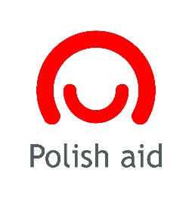

Polish Challenge Fund
The 2020 Call for Proposals

Number of Applications
Belarus | 6
Ukraine | 11
Selected Initiatives
Belarus | 2
Ukraine | 3

 | Distribution of Awards

 |  | Requested in Total | Awarded in Total | Awarded per Project (Avg.)

 | 2020 | 645,856.00 USD | 196,770.00 USD | 39,354.00 USD

 | SDGs in Applications and Selected Initiatives
SDG6 | 3
SDG7 | 6
SDG8 | 8
SDG11 | 8
SDG13 | 8
SDG15 | 8
SDG16 | 4

Data
Number of Applications
Applications | Submissed | Successful
Belarus | 6 | 2 | Contacts | 225
Ukraine | 11 | 3 | Workshop | 60
Total | 17 | 5

Belarus | 2 |  | Awards | 5
Ukraine | 3 |  | Finance | 196770
 |  |  | Per Project/avg | 39354

SDG6 | 3
SDG7 | 6
SDG8 | 8
SDG11 | 8
SDG13 | 8
SDG15 | 8
Selected Initiatives
SDG16 | 4

SDG6 | 3
SDG7 | 6
SDG8 | 8
SDG11 | 8
SDG13 | 8
SDG15 | 8
SDG16 | 4

Challenges

